Composite
National Score

 | Statistics
 | FAC1_1 REGR factor score 1 for analysis 1
 | N | Valid | 84333
 |  | Missing | 0
 | Mean |  | -0.0902233
 | Median |  | -0.4464266
 | Std. Deviation |  | 0.9170982
 | Minimum |  | -1.17457
 | Maximum |  | 3.50834
 | Percentiles | 20 | -0.8043956
 |  | 40 | -0.5908328
 |  | 60 | -0.2566022
 |  | 80 | 0.6021872

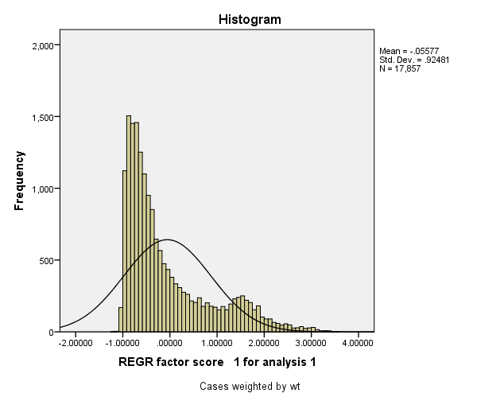

Report
Mean
 | wlthind5 Wealth Index Quintiles
 | 1 | 2 | 3 | 4 | 5 | Total
h2oires if water is piped into residence | 0 | 0 | 0 | 0.0003 | 0.1048 | 0.021
h2oyard if water is piped into compound/plot | 0 | 0.0001 | 0.0002 | 0.0081 | 0.1092 | 0.0235
h2opub if gets water from a public tap or standpipe | 0.0052 | 0.0683 | 0.1293 | 0.2996 | 0.4757 | 0.1956
h2owell if gets water from tubewell or borehole | 0.0126 | 0.014 | 0.0211 | 0.0155 | 0.0283 | 0.0183
h2opwell if gets water from protected well | 0.0352 | 0.0735 | 0.1194 | 0.1713 | 0.146 | 0.1091
h2ouwell if gets water from unprotected well | 0.2438 | 0.182 | 0.1481 | 0.1285 | 0.0609 | 0.1527
h2spring if gets water from a spring | 0.286 | 0.3196 | 0.3669 | 0.2384 | 0.0565 | 0.2535
h2osurf if gets water from river, stream, pond, lake or dam | 0.4058 | 0.3317 | 0.2082 | 0.1349 | 0.0147 | 0.2191
h2ooth if gets water from other source | 0.0114 | 0.0106 | 0.0067 | 0.0033 | 0.0034 | 0.0071
flushp if has flush toilet - private | 0 | 0 | 0.0024 | 0.0051 | 0.0958 | 0.0207
flushs if has flush toilet - shared | 0 | 0.0026 | 0.0066 | 0.0113 | 0.0562 | 0.0153
latvipp if uses pit latrine (VIP) - private | 0 | 0 | 0 | 0 | 0.002 | 0.0004
latvips if uses pit latrine (VIP) - shared | 0 | 0 | 0 | 0.0003 | 0.007 | 0.0014
latslbp if uses pit latrine (slab) - private | 0 | 0 | 0.0025 | 0.0113 | 0.023 | 0.0073
latslbs if uses pit latrine (slab) - shared | 0.0003 | 0.0007 | 0.0041 | 0.0084 | 0.0404 | 0.0108
latopp if uses pit latrine (VIP) - private | 0.0207 | 0.1916 | 0.2448 | 0.3142 | 0.2206 | 0.1984
latops if uses pit latrine (VIP) - shared | 0.0058 | 0.2007 | 0.3713 | 0.4374 | 0.4822 | 0.2994
latbush if uses the bush | 0.9732 | 0.6017 | 0.3665 | 0.2064 | 0.0377 | 0.4371
latothp if uses other latrine - private | 0 | 0.0008 | 0 | 0.0006 | 0.0082 | 0.0019
latoths if uses other latrine - shared | 0 | 0 | 0.0003 | 0.0037 | 0.0265 | 0.0061
electric if household has electric | 0 | 0.0008 | 0.0055 | 0.0493 | 0.7652 | 0.1641
radio if household has radio | 0.2016 | 0.4848 | 0.7012 | 0.8171 | 0.9056 | 0.622
tv if household has tv | 0 | 0.0005 | 0.0019 | 0.0449 | 0.7355 | 0.1566
fridge if household has fridge | 0 | 0 | 0 | 0.001 | 0.1675 | 0.0337
bicycle if household has bicycle | 0.0314 | 0.1051 | 0.2428 | 0.4159 | 0.4325 | 0.2455
motobk if household has motorcycle or scooter | 0 | 0.0005 | 0.0021 | 0.0123 | 0.0983 | 0.0226
car if household has car or truck | 0 | 0.0005 | 0.0002 | 0.0012 | 0.1205 | 0.0245
mphone if household has mobile phone | 0 | 0.0163 | 0.0828 | 0.2884 | 0.8768 | 0.2529
watch if household has watch | 0.0214 | 0.1999 | 0.4315 | 0.6566 | 0.9038 | 0.4426
bank if household has bank account | 0 | 0.0013 | 0.0016 | 0.0202 | 0.3059 | 0.0658
memsleep number of members per sleeping room | 5.6787 | 4.9558 | 4.4591 | 3.9457 | 3.2559 | 4.4592
dirtfloo if floor is earth/sand +29 dung | 0.1289 | 0.2026 | 0.238 | 0.1604 | 0.0356 | 0.1531
plnkfloo if floor is wood plank | 0.0106 | 0.0424 | 0.1213 | 0.2316 | 0.102 | 0.1016
palmfloo if floor is palm | 0.1402 | 0.1969 | 0.1095 | 0.0273 | 0.0016 | 0.0951
matfloo if floor is mat | 0.72 | 0.5442 | 0.4578 | 0.1927 | 0.018 | 0.3865
parqfloo if floor is parquet/polishd wood | 0 | 0.0008 | 0.0057 | 0.0816 | 0.1639 | 0.0504
vinfloo if floor is vinyl/asphlt strips | 0 | 0.0041 | 0.0077 | 0.0149 | 0.0122 | 0.0078
tilefloo if floor is tile | 0 | 0 | 0 | 0.0007 | 0.0495 | 0.01
cemtfloo if floor is of cement | 0 | 0.006 | 0.0561 | 0.2733 | 0.6034 | 0.1878
carpfloo if floor is of carpet | 0 | 0.0027 | 0.0039 | 0.0168 | 0.0136 | 0.0074
cookelec if uses elec for cooking | 0 | 0 | 0 | 0 | 0.0086 | 0.0017
cooklpg if uses lpg for cooking +21ng +28bg +5kero | 0 | 0 | 0 | 0 | 0.0205 | 0.0041
cookcoal if uses charcoal for cooking (+17 coal/lignite) | 0 | 0.0095 | 0.0628 | 0.1961 | 0.8047 | 0.2146
cookwood if uses wood for cooking fuel | 0.9979 | 0.9705 | 0.9052 | 0.7703 | 0.1499 | 0.7588
cookstrw if uses straw/shrubs/grass for cooking fuel | 0.0021 | 0.0193 | 0.0312 | 0.0325 | 0.0149 | 0.02
cooknone if doesn't cook +1oth | 0 | 0.0004 | 0.0008 | 0.001 | 0.0009 | 0.0006
grnwall if wall made of cane/palm/trunks materials | 0.4038 | 0.3883 | 0.2687 | 0.1485 | 0.0412 | 0.2501
dirtwall if wall made of dirt +3 no wall | 0.4316 | 0.4402 | 0.4946 | 0.2849 | 0.0551 | 0.3413
bamwall if wall made of bamboo/mud +12stone/mud | 0.1257 | 0.0519 | 0.0357 | 0.0168 | 0.0018 | 0.0464
rwdwall if wall made of uncov adobe, cardboard | 0.001 | 0.0031 | 0.0015 | 0.0131 | 0.0149 | 0.0067
cmtwall if wall made of cement | 0 | 0 | 0.0026 | 0.0295 | 0.1773 | 0.0419
stncwall if wall made of stone with cement | 0 | 0 | 0.0013 | 0.0019 | 0.013 | 0.0032
brckwall if wall made of brick | 0.0002 | 0.034 | 0.132 | 0.3736 | 0.5412 | 0.2162
blckwall if wall made of cemt block | 0 | 0 | 0 | 0.0008 | 0.0094 | 0.002
woodwall if wall made of wood planks/shingles | 0.0116 | 0.0354 | 0.0316 | 0.0908 | 0.0811 | 0.0501
othwall if wall made of other materials | 0.026 | 0.0469 | 0.032 | 0.0395 | 0.064 | 0.0417
natroof if has thatch/palm leaf roofing (+4 no roof) | 0.5094 | 0.5403 | 0.3839 | 0.1852 | 0.0216 | 0.328
sodroof if has sod roofing | 0.4534 | 0.3957 | 0.4415 | 0.2894 | 0.0164 | 0.3193
rudroof if has roof made of rustic mat, palm/bamboo +2cardbrd | 0.0207 | 0.0232 | 0.0245 | 0.0094 | 0.0014 | 0.0158
plnkroof if has roof made of wood planks | 0.0089 | 0.0139 | 0.0037 | 0.0034 | 0.0003 | 0.0061
ironroof if roof made of metal +23other | 0 | 0.0206 | 0.1367 | 0.4572 | 0.8746 | 0.2978
woodroof if roof made of wood | 0.0075 | 0.0053 | 0.0031 | 0.0015 | 0.001 | 0.0037
cemtroof if roof is made of cement or cemtfiber | 0 | 0.0003 | 0.0003 | 0.0015 | 0.0064 | 0.0017
tileroof if roof is made of ceramic tiles | 0 | 0.0005 | 0.0062 | 0.0523 | 0.0765 | 0.0271

